Left, right, find (1)
Table 1
Product Key | Product ID | Product Category | City | Product Size
133462-AA-BOS_SM |  |  |  |  | 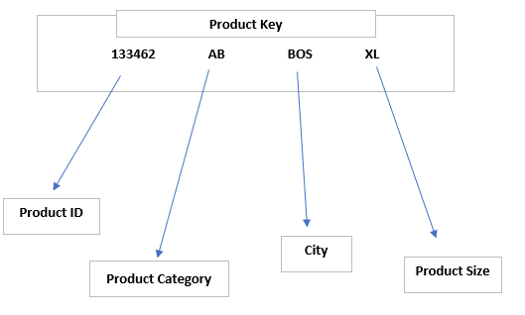 Populate the missing data for all cells in Table 1
191768-AC-NYC_MD
157263-BB-BOS_XL
173372-AA-CHI_SM
135351-BC-NYC_XL
143105-AC-BOS_LG
177772-BB-NYC_MD
871837-AB-CHI_XL
161266-BB-CHI_SM
122892-AA-NYC_MD
128919-AC-CHI_XL
191999-BB-BOS_LG
111126-BC-NYC_LG
112283-AB-BOS_MD

Hint: You may use LEFT(), RIGHT(), MID(), and FIND()/SEARCH() functions

